UAE FFF Summary
UAE FFF 입찰 : Passive Fire Protection Summary

1. Main FFF Building
0. Layout |  | Building Area (m2): 7250 m2 Story: UG - 1, AG - 3 Height: 16m
 |  | Case 1 | Case 2 | Case 3
1. Occupancy Classification | NFPA5000 Sec.6.1 | Special Purpose Industrial | General Industrial | General Industrial
2. Classification of Hazard of Contents. | NFPA5000 Sec.6.3 | Ordinary Hazard | Ordinary Hazard and Low Hazard | High Hazard (Lv4_가정) | 건강상 심각한 위험이 있는 물질
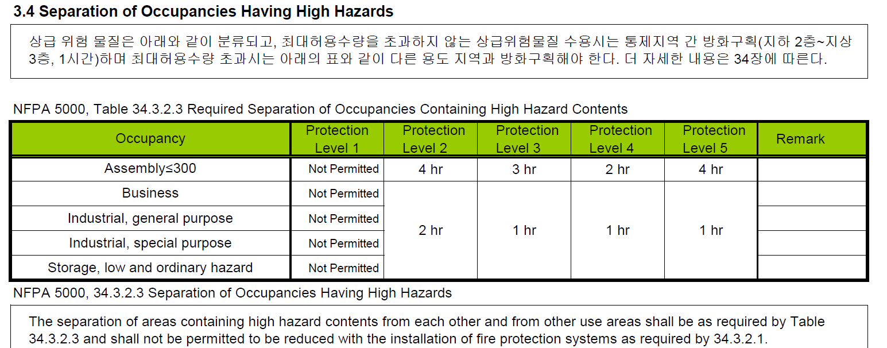
3. Calculation of Occupancy (Occupant Load) | NFPA5000 Sec.11.3.1
Occupant Load Factor(m2/person) | NFPA5000 Table 11.3.1.2 | NA | 9.3 m2(per person) | 9.3 m2(per person)
Maximum Building Height |  | Type I (442) - S Unlimited | N Unlimited Type I (332) - S 128m | N 122m Type II (222) - S 54.8m | N 48.7m Type II (111) - S 25.9m | N 19.8m Type II (000) - S 22.8m | N 16.7m | Type I (442) - S Unlimited | N Unlimited Type I (332) - S 128m | N 122m Type II (222) - S 54.8m | N 48.7m Type II (111) - S 25.9m | N 19.8m Type II (000) - S 22.8m | N 16.7m | Type I (442) - S Unlimited | N Unlimited Type I (332) - S 128m | N 122m Type II (222) - S 54.8m | N 48.7m Type II (111) - S 25.9m | N 19.8m Type II (000) - S 22.8m | N 16.7m
Allowable number of stories |  | Type I (442) - S Unlimited | N Unlimited Type I (332) - S Unlimited | N Unlimited Type II (222) - S 12f | N 11f Type II (111) - S 6f | N 5f Type II (000) - S 5f | N 1f | Type I (442) - S Unlimited | N Unlimited Type I (332) - S Unlimited | N Unlimited Type II (222) - S 12f | N 11f Type II (111) - S 6f | N 5f Type II (000) - S 5f | N 1f | Type I (442) - S Unlimited | N Not permitted Type I (332) - S Unlimited | N Not permitted Type II (222) - S 4f | N Not permitted Type II (111) - S 4f | N Not permitted Type II (000) - S 3f | N Not permitted
Area per Story(m2) |  | Type I (442) - Unlimited Type I (332) - Unlimited Type II (222) - Unlimited Type II (111) - 2322.576 m2 Type II (000) - 1440 m2 | Type I (442) - Unlimited Type I (332) - Unlimited Type II (222) - Unlimited Type II (111) - 2322.576 m2 Type II (000) - 1440 m2 | Type I (442) - Unlimited Type I (332) - Unlimited Type II (222) - Unlimited Type II (111) - 3483.8 m2 Type II (000) - 2136.7 m2
2. Construction Type |  | Type I (332) | Type I (332) | Type I (332)
4. Fire Resistance Requirements |  | Type I (332) | Type I (332) | Type I (332)
5.1 Fire Separation for Interior Walls |  | Exit Access Corridors : Min. 1 Hr FR Fire Area Boundaries : Min. 2 Hr FR Radiation Zone Corridors : Min. 2 Hr FR | 좌동 | 좌동
5.2 Fire Separation for Room |  | According to NFPA5000 Table 6.2.4.1.1 | According to NFPA5000 Table 6.2.4.1.1 | According to NFPA5000 Table 6.2.4.1.1
5.3 Fire Separation for Exterior Walls |  | Separation and Protection of Outside Stairs. | 좌동 | 좌동
5.4 Fire Separation for Staircase(Exit) |  | 3개층 이하 피난통로 - 1시간, 4개층 이상 피난통로 - 2시간
5.5 Fire Separation for Radiation Zone |  | <Zone 1 - Zone 2,3,4> : 3hr FR <Zone 2 - Zone 3 / Zone 3 - Zone 4 / Zone 2 - Zone 4> : 2hr FR (NFPA850 Fire Area의 Fire Barrier 준용 - Zone 경계에 적용, Zone 내부 실 구획 적용 x)
6.1 Travel Distance |  | S - 400ft (122m), N - 300ft (91m) | S - 250ft (76m), N - 200ft (60m) | S - 250ft (76m), N - 200ft (60m)
6.2 Common Path of Travel |  | S - 100ft (30m), N - 50ft (15m) | S - 100ft (30m), N - 50ft (15m) | Prohibited => Single Exit 불가
6.3 Dead-End Corridor |  | S - 50ft (15m), N - 50ft (15m) | S - 50ft (15m), N - 50ft (15m) | Prohibited

2. Administration Building
1. Occupancy Classification
2. Construction Type
3. Building Height and Area Limitations
4. Fire Resistance Requirements
5.1 Fire Separation for Interior Walls
5.2 Fire Separation for Room
5.3 Fire Separation for Exterior Walls
6.1 Travel Distance
6.2 Common Path of Travel
6.3 Dead-End Corridor

NFPA5000
 | NFPA 5000 Building Construction and Safety Code (National Fire Protection Association)

 | 3.3.391* Means of Egress A continuous and unobstructed way of travel from any point in a building or structure to a public way consisting of three separate and distinct parts: (1) the exit access, (2) the exit, and (3) the exit discharge. [101, 2006]

4.4.3 Means of Egress.
 | 4.4.3.1 Number of Means of Egress. Two means of egress, as a minimum, shall be provided in every building or structure, section, and area where size, occupancy, and arrangement endanger occupants attempting to use a single means of egress that is blocked by fire or smoke. The two means of egress shall be arranged to minimize the possibility that both might be rendered impassable by the same emergency condition.

Chapter 6 Classification of Occupancy, Classification of Hazard of Contents, and Special Operations
6.1 Classification of Occupancy.

 | 6.1.12 Industrial. For requirements, see Chapter 29. 6.1.12.1* Definition — Industrial Occupancy. An occupancy in which products are manufactured or in which processing, assembling, mixing, packaging, finishing, decorating, or repair operations are conducted. | 6.1.12.1* 정의 - 산업 점유. 제품이 제조되거나 가공, 조립, 혼합, 포장, 마감, 장식 또는 수리 작업이 수행되는 점유.
 | 6.1.13 Storage. For requirements, see Chapter 30. 6.1.13.1* Definition — Storage Occupancy. An occupancy used primarily for the storage or sheltering of goods, merchandise, products, or vehicles. | 6.1.13 보관. 요구 사항은 30장을 참조하십시오. 6.1.13.1* 정의 - 스토리지 점유. 상품, 상품, 제품 또는 차량의 보관 또는 보호를 위해 주로 사용되는 점유.
6.2 Multiple Occupancies.

6.3 Hazard of Contents.

6.4 Special Operations.

 | 6.4.2 Specific Operations.
 | 6.4.2.46 Nuclear Power Plants. Nuclear power plant buildings and structures shall be constructed in accordance with NFPA 804, Standard for Fire Protection for Advanced Light Water Reactor Electric Generating Plants, or NFPA805, Performance-Based Standard for Fire Protection for Light Water Reactor Electric Generating Plants, as applicable. | 6.4.2.46 원자력 발전소. 원자력 발전소 건물 및 구조물은 NFPA 804(첨단 경수로 발전소 화재 보호 표준) 또는 NFPA805(해당되는 경우 경수로 발전소 화재 보호 성능 기반 표준)에 따라 건설되어야 합니다. | 원자력발전소 NFPA 804 NFPA 805
 | 6.4.2.58 Radioactive Materials Facilities. Buildings in which radioactive materials are stored, handled, or used in quantities and conditions requiring government oversight (e.g., the U.S. Nuclear Regulatory Commission or U.S. Department of Energy), or requiring a license to possess or use these materials, and all other locations in which such quantities or conditions exist shall be constructed in accordance with NFPA 801, Standard for Fire Protection for Facilities Handling Radioactive Materials. | 6.4.2.58 방사성 물질 시설. 정부 감독이 필요한 양 및 조건(예: 미국 원자력 규제 위원회 또는 미국 에너지부)으로 방사성 물질을 저장, 처리 또는 사용하거나 이러한 물질 및 기타 모든 위치를 소유 또는 사용하기 위해 면허를 요구하는 건물 그러한 수량 또는 조건이 존재하는 경우 NFPA 801, 방사성 물질 취급 시설에 대한 화재 보호 표준에 따라 건설되어야 합니다. | 방사능물질 취급시설 NFPA 801

7.2 Construction Types.
7.2.1 General.
 | 7.2.1.1* Buildings and structures shall be classified according to their type of construction, which shall be based upon one of five basic types of construction designated as Type I, Type II, Type III, Type IV, and Type V, with fire resistance ratings not less than those specified in Table 7.2.1.1 and 7.2.3 through 7.2.6 and with fire resistance ratings meeting the requirements of 7.2.7. | 7.2.1.1* 건물 및 구조물은 유형 I, 유형 II, 유형 III, 유형 IV 및 유형 V로 지정된 5가지 기본 건축 유형 중 하나를 기준으로 건축 유형에 따라 분류되어야 합니다. 표 7.2.1.1 및 7.2.3에서 7.2.6까지에 명시된 등급 이상이어야 하며 내화 등급은 7.2.7의 요건을 충족해야 합니다.
 | 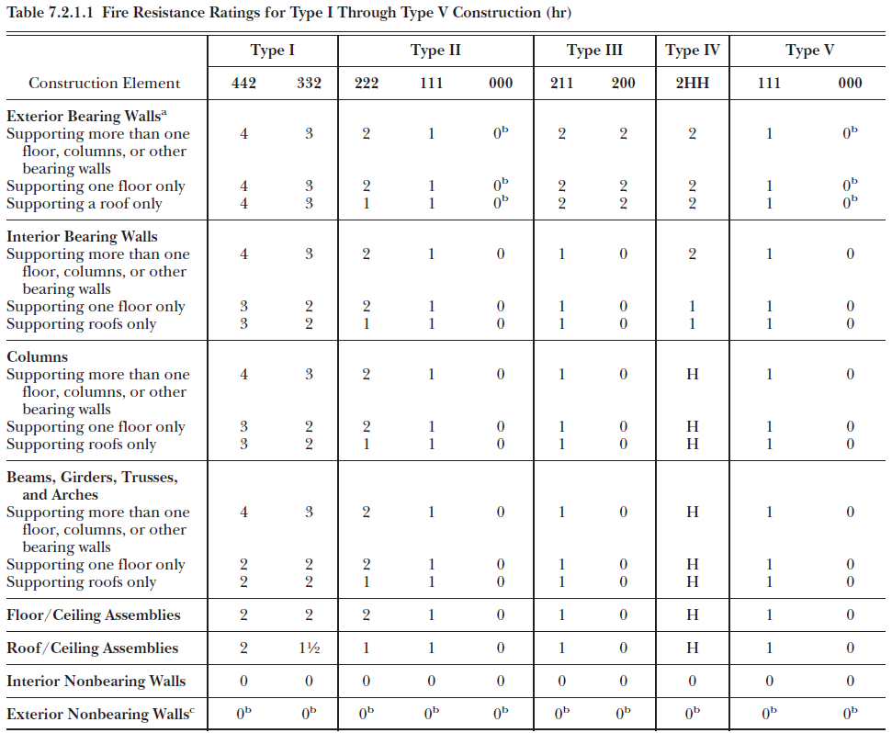 | NFPA 5000 Annex A A.7.2.1.1 The system of designating types of construction also includes a specific breakdown of the types of construction through the use of arabic numbers. These arabic numbers follow the roman numeral notation where identifying a type of construction [e.g., Type I(442), Type II(111), Type III(200)] and indicate the fire resistance rating requirements for certain structural elements as follows: (1) First arabic number — exterior bearing walls (2) Second arabic number — columns, beams, girders, trusses and arches, supporting bearing walls, columns, or loads from more than one floor (3) Third arabic number — floor construction
7.2.2 Reserved.

7.2.3 Type I (442 or 332) and Type II (222, 111, or 000) Construction.
 | Type I Construction The structural members are designated noncombustible or limited combustible and have a fire resistance rating as specified in Table 4.1.1. Monolithic reinforced concrete construction, precast concrete construction, and protected steel-frame construction are all examples of Type I noncombustible construction. In Type I construction, only noncombustible materials are permitted for the structural elements of building. | 유형 I 건설 구조 부재는 불연성 또는 제한된 가연성으로 지정되며 표 4.1.1에 명시된 내화 등급을 갖습니다. 모놀리식 철근콘크리트 구조, 프리캐스트 콘크리트 구조 및 보호된 철골 구조가 모두 유형 I 불연성 구조의 예입니다. 유형 I 건축에서는 건물의 구조 요소에 불연성 재료만 허용됩니다. | NFPA’s Fire and Life Safety Inspection Manual (8th edition)
 | Type II Construction The structural elements are entirely of noncombustible or limited combustible materials permitted by the code and protected to have some degree of fire resistance, 2 hour [Type II(222)], 1 hour [Type II(111)], or completely unprotected except for exterior walls in Type II(000) construction. Typical of Type II noncombustible construction are metal-framed, metal-clad buildings, and concrete-block buildings with Class I insulated steel deck roofs supported by unprotected open-web steel joints. The fire resistance rating required in Type II [222 or 111] construction will afford adequate fire safety for residential, educational, institutional, business, and assembly occupancies, without supplementary restrictions. Building height limits, however, are commonly prescribed for this type of construction. | 유형 II 건설 구조 요소는 전체가 불연성 또는 제한된 가연성 재료로 되어 있으며 코드에서 허용하고 어느 정도의 내화성을 갖도록 보호됩니다. 2시간[유형 II(222)], 1시간[유형 II(111)] 또는 다음을 제외하고는 완전히 보호되지 않습니다. 유형 II(000) 건설의 외벽. 유형 II 불연성 건축의 전형은 금속 골조, 금속 피복 건물 및 보호되지 않은 개방형 웹 강철 조인트로 지지되는 Class I 단열 강철 데크 지붕이 있는 콘크리트 블록 건물입니다. 유형 II [222 또는 111] 건설에 요구되는 내화 등급은 추가 제한 없이 주거, 교육, 기관, 비즈니스 및 조립 용도에 적절한 화재 안전을 제공합니다. 그러나 건물 높이 제한은 일반적으로 이러한 유형의 건축에 대해 규정됩니다. | NFPA’s Fire and Life Safety Inspection Manual (8th edition)
7.2.4 Type III (211 or 200) Construction.

7.2.5 Type IV (2HH) Construction.

7.2.6 Type V (111 or 000) Construction.

7.2.7 Fire Resistance Rating Requirements for Structural Elements.

7.4 Height and Area Requirements.

 | 7.4.1.3.7* Power-Generation Structures. Structures of Type I or Type II construction used exclusively for the enclosure of steam generators, steam turbines, gas turbines, heat recovery generators, and flue gas treatment equipment shall be permitted to be of unlimited height and area when special hazards are protected by an approved automatic suppression system in accordance with NFPA 11, Standard for Low-, Medium-, and High-Expansion Foam; NFPA 12, Standard on Carbon Dioxide Extinguishing Systems; NFPA 13; NFPA 15, Standard for Water Spray Fixed Systems for Fire Protection; NFPA16, Standard for the Installation of Foam-Water Sprinkler and Foam-Water Spray Systems; NFPA 17, Standard for Dry Chemical Extinguishing Systems; NFPA750, Standard onWater Mist Fire Protection Systems; or NFPA 2001, Standard on Clean Agent Fire Extinguishing Systems. | 7.4.1.3.7* 발전 구조. 증기 발생기, 증기 터빈, 가스터빈, 열회수 발생기 및 연도 가스 처리 장비의 외함 전용으로 사용되는 유형 I 또는 유형 II 구조의 구조는 승인된 특수 위험 요소가 보호되는 경우 높이와 면적에 제한이 없는 것이 허용됩니다. NFPA 11, 저, 중, 고팽창 발포체에 대한 표준에 따른 자동 억제 시스템; NFPA 12, 이산화탄소 소화 시스템 표준; NFPA 13; NFPA 15, 화재 방지용 물 분무 고정 시스템 표준; NFPA16, 거품-물 스프링클러 및 거품-물 스프레이 시스템 설치 표준; NFPA 17, 건조 화학물질 소화 시스템 표준; NFPA750, 표준 onWater 미스트 화재 방지 시스템; 또는 NFPA 2001, 청정 에이전트 소화 시스템 표준.
 | 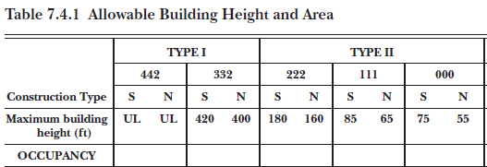 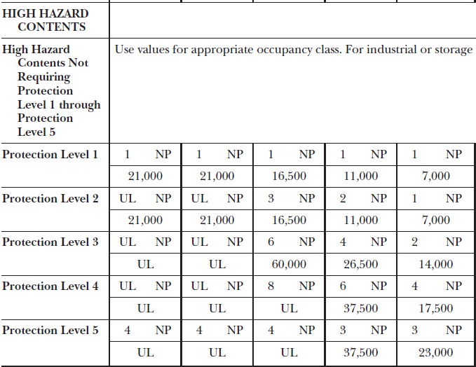

Chapter 10 Interior Finish

10.3 InteriorWall or Ceiling Finish Testing and Classification.
 | 10.3.2.1 Class A Interior Wall and Ceiling Finish.
 | 10.3.2.2 Class B InteriorWall and Ceiling Finish.
 | 10.3.2.3 Class C Interior Wall and Ceiling Finish.
 |  | - Interior wall and ceiling finish in areas processing or storing radioactive materials : NFPA 801, 5.8.1 => Class A 적용 | NFPA 804 8.3.2.1

10.6* Interior Floor Finish Testing and Classification.
 | 10.6.4.1 Class I Interior Floor Finish. Class I interior floor finish shall have a critical radiant flux of not less than 0.45 W/cm2, as determined by the test described in 10.6.3. | - Interior floor finish in areas processing or storing radioactive materials : NFPA 801, 5.8.2 => Class I 적용 | NFPA 804 8.3.2.2
 | 10.6.4.2 Class II Interior Floor Finish. Class II interior floor finish shall have a critical radiant flux of not less than 0.22 W/cm2, but less than 0.45 W/cm2, as determined by the test described in 10.6.3.

Chapter 11 Means of Egress

 | 11.1.3.2.1.1 The fire barriers shall have not less than a 1-hour fire resistance rating where the exit connects 3 stories or less.
 | 11.1.3.2.1.2 The fire barriers shall have not less than a 2-hour fire resistance rating where the exit connects 4 or more stories. The fire barriers shall be supported by construction having not less than a 2-hour fire resistance rating.

 | 11.2.2.7.3 Separation and Protection of Outside Stairs. 11.2.2.7.3.1 Outside stairs shall be separated from the interior of the building by construction with the fire resistance rating required for enclosed stairs with fixed or self-closing opening protectives, except as follows: (1) Outside stairs serving an exterior exit access balcony that has two remote outside stairways or ramps shall be permitted to be unprotected. (2) Outside stairs serving two or fewer adjacent stories, including the story where the exit discharges, shall be permitted to be unprotected where there is a remotely located second exit. (3) The fire resistance rating of the separation extending 10 ft (3050 mm) from the stairs shall not be required to exceed 1 hour where openings have a minimum 3⁄4-hour fire protection rating. | 11.2.2.7.3 외부 계단의 분리 및 보호. 11.2.2.7.3.1 외부 계단은 다음을 제외하고 고정식 또는 자동 폐쇄식 개구부 보호 장치가 있는 폐쇄된 계단에 필요한 내화 등급으로 건축에 의해 건물 내부와 분리되어야 합니다. (1) 두 개의 원격 외부 계단 또는 경사로가 있는 외부 출구 접근 발코니를 제공하는 외부 계단은 보호되지 않는 것이 허용되어야 합니다. (2) 출구가 배출되는 층을 포함하여 인접한 2층 이하의 외부 계단은 멀리 떨어진 두 번째 출구가 있는 경우 보호되지 않는 것이 허용되어야 합니다. (3) 계단에서 10피트(3050mm) 연장된 분리의 내화 등급은 개구부가 최소 3/4시간 내화 등급을 갖는 경우 1시간을 초과할 필요가 없습니다.
 | 11.2.2.7.3.2 Wall construction required by 11.2.2.7.3.1 shall extend as follows: (1) Vertically from the finished ground level to a point 10 ft (3050 m) above the topmost landing of the stairs or to the roofline, whichever is lower (2) Horizontally for not less than 10 ft (3050 m) | 11.2.2.7.3.2 11.2.2.7.3.1에서 요구하는 벽 구조는 다음과 같이 확장되어야 한다. (1) 완성된 지면에서 계단의 최상층 승강장 위 10피트(3050m) 지점 또는 지붕선 중 더 낮은 지점까지 수직으로 (2) 수평으로 10피트(3050m) 이상
 | 11.2.2.7.4 Protection of Openings. All openings below an outside stair shall be protected with an assembly having not less than a 3⁄4-hour fire protection rating where the following conditions exist: (1) Where the stair is located in an enclosed court (see 3.3.127.1), the smallest dimension of which does not exceed one-third its height (2) Where the stair is located in an alcove having a width that does not exceed one-third its height and a depth that does not exceed one-fourth its height | 11.2.2.7.4 개구부 보호. 외부 계단 아래의 모든 개구부는 다음 조건이 충족되는 경우 3/4시간 내화 등급 이상의 조립품으로 보호되어야 합니다. (1) 계단이 폐쇄된 코트에 있는 경우(3.3.127.1 참조), 가장 작은 치수가 높이의 1/3을 초과하지 않는 경우 (2) 너비가 높이의 1/3을 초과하지 않고 깊이가 높이의 1/4을 초과하지 않는 골방에 계단이 있는 경우

 | 11.6.2 The travel distance to an exit shall be measured on the floor or other walking surface along the centerline of the natural path of travel, starting from the most remote point subject to occupancy, curving around any corners or obstructions with a 12 in. (305 mm) clearance therefrom, and ending at the center of the doorway or other point at which the exit begins. Where measurement includes stairs, the measurement shall be taken in the plane of the tread nosing. | 11.6.2 Exit까지의 이동 거리는 점유 대상이 되는 가장 먼 지점에서 시작하여 12인치( 305 mm) 그로부터의 간격, 출입구의 중심 또는 출구가 시작되는 다른 지점에서 끝납니다. 측정에 계단이 포함되는 경우 트레드 코의 평면에서 측정해야 합니다.

Chapter 29 Industrial Occupancies
 | 29.1.3.1.1 General Industrial Occupancy. General industrial occupancies shall include the following: (1) Industrial occupancies that conduct ordinary and low hazard industrial operations in buildings of conventional design that are usable for various types of industrial processes (2) Industrial occupancies that include multistory buildings where floors are occupied by different tenants or buildings that are usable for such occupancy and, therefore, are subject to possible use for types of industrial processes with a high density of employee population | 29.1.3.1.1 일반 산업 점유. 일반 산업 점유에는 다음이 포함됩니다. (1) 다양한 유형의 산업 공정에 사용할 수 있는 기존 설계의 건물에서 일반 및 저위험 산업 작업을 수행하는 산업 점유 (2) 다른 세입자가 층을 점유하는 다층 건물을 포함하는 산업 점유 또는 그러한 점유에 사용할 수 있는 건물이므로 고용 인구 밀도가 높은 유형의 산업 공정에 사용할 수 있습니다.
 | 29.1.3.1.2 Special-Purpose Industrial Occupancy. Special-purpose industrial occupancies shall include the following: (1) Industrial occupancies that conduct ordinary and low hazard industrial operations in buildings designed for, and that are usable only for, particular types of operations (2) Industrial occupancies that are characterized by a relatively low density of employee population, with much of the area occupied by machinery or equipment | 29.1.3.1.2 특수 목적 산업 점유. 특수 목적 산업 점유에는 다음이 포함됩니다. (1) 특정 유형의 작업에만 사용할 수 있도록 설계된 건물에서 일반 및 저위험 산업 작업을 수행하는 산업 점유 (2) 상대적으로 낮은 밀도의 직원 인구를 특징으로 하는 산업 점유 면적의 대부분이 기계 또는 장비에 의해 점유됨

Chapter 34 High Hazard Contents
 | 34.1.2 Material Classification. 34.1.2.1 General. Hazardous materials shall be classified in accordance with 6.3.2.4 and the definitions in Chapter 3.

NFPA101
 | NFPA 101 Life Safety Code

Chapter 7 Means of Egress
 | NFPA 101H 7.2.2.6.3.3 In Exhibit 7.49, the fire resistance rating for the walls of the 10 ft (3050 mm) extension is a minimum of 1 hour. The fire resistance rating required for the walls within the short dashed lines is based on the number of stories served by the outside stair. | NFPA 101H 7.2.2.6.3.3 그림 7.49에서 10피트(3050mm) 확장 벽의 내화 등급은 최소 1시간입니다. 짧은 점선 안의 벽에 필요한 내화 등급은 외부 계단이 제공하는 층 수를 기준으로 합니다.
 | 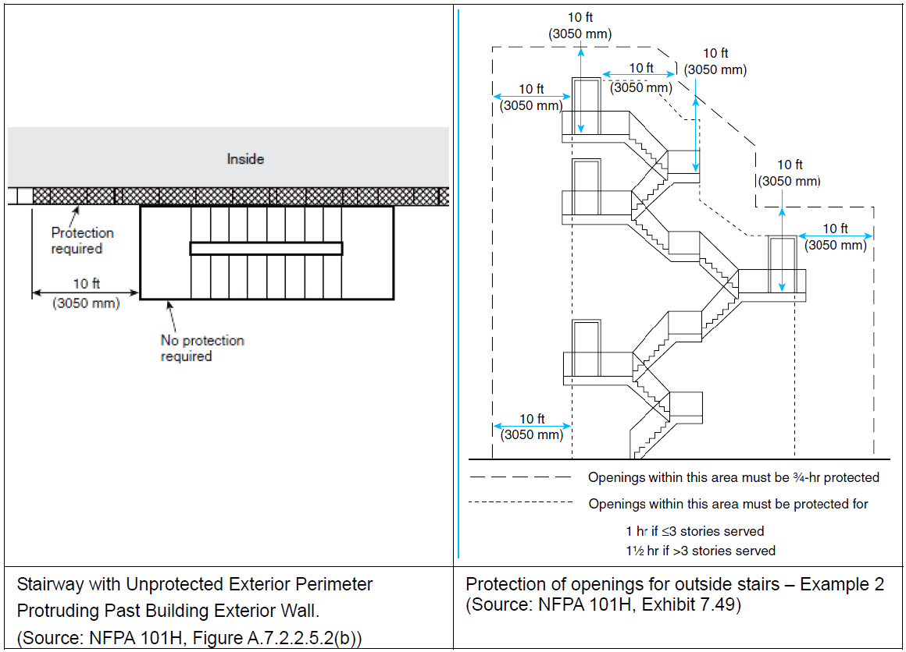

7.11 Special Provisions for Occupancies with High Hazard Contents

 | 7.11.4 Not less than two means of egress shall be provided from each building or hazardous area thereof, unless all of the following criteria are met: (1) Rooms or spaces do not exceed 200 ft2 (18.6 m2). (2) Rooms or spaces have an occupant load not exceeding three persons. (3) Rooms or spaces have a travel distance to the room door not exceeding 25 ft (7620 mm). | 7.11.4 다음 기준이 모두 충족되지 않는 한, 각 건물 또는 위험 구역에는 2개 이상의 탈출 수단이 제공되어야 합니다. (1) 방 또는 공간은 200ft2(18.6m2)를 초과하지 않습니다. (2) 방 또는 공간에는 3명을 초과하지 않는 수용 인원이 있습니다. (3) 방 또는 공간은 방 문까지의 이동 거리가 7620mm(25피트)를 초과하지 않아야 합니다.

CHAPTER 40 Industrial Occupancies

40.1.4
 | 40.1.4 Classification of Occupancy. Classification of occupancy shall be in accordance with 6.1.12.
 | 40.1.4.1 Subclassification of Occupancy. Each industrial occupancy shall be subclassified according to its use as described in 40.1.4.1.1, 40.1.4.1.2, and 40.1.4.1.3.
 | 40.1.4.1.1 General Industrial Occupancy. General industrial occupancies shall include the following: (1) Industrial occupancies that conduct ordinary and low hazard industrial operations in buildings of conventional design that are usable for various types of industrial processes (2) Industrial occupancies that include multistory buildings where floors are occupied by different tenants, or buildings that are usable for such occupancy and, therefore, are subject to possible use for types of industrial processes with a high density of employee population | 40.1.4.1.1 General Industrial Occupancy (1) 다양한 유형의 산업 공정에 사용할 수 있는 재래식 설계의 건물에서 일반 및 저위험 산업 작업을 수행하는 산업 점유 (2) 다른 세입자가 층을 점유하고 있는 다층 건물을 포함하는 산업 점유 또는 그러한 점유에 사용할 수 있으므로 고용 인구 밀도가 높은 유형의 산업 공정에 사용할 수 있는 건물
 | 40.1.4.1.2 Special-Purpose Industrial Occupancy. Special-purpose industrial occupancies shall include the following: (1) Industrial occupancies that conduct ordinary and low hazard industrial operations in buildings designed for, and that are usable only for, particular types of operations (2) Industrial occupancies that are characterized by a relatively low density of employee population, with much of the area occupied by machinery or equipment | 40.1.4.1.2 특수 목적 산업 점유. 특수 목적 산업 점유에는 다음이 포함됩니다. (1) 특정 유형의 작업에만 사용할 수 있도록 설계된 건물에서 일반 및 저위험 산업 작업을 수행하는 산업 점유 (2) 상대적으로 낮은 밀도의 직원 인구를 특징으로 하는 산업 점유 면적의 대부분이 기계 또는 장비에 의해 점유됨
 | 40.1.4.1.3* High Hazard Industrial Occupancy. High hazard industrial occupancies shall include the following: (1) Industrial occupancies that conduct industrial operations that use high hazard materials or processes or house high hazard contents (2) Industrial occupancies in which incidental high hazard operations in low or ordinary hazard occupancies that are protected in accordance with Section 8.7 and 40.3.2 are not required to be the basis for overall occupancy classification | 40.1.4.1.3* 고위험 산업 점유. 고위험 산업 점유에는 다음이 포함됩니다. (1) 고위험 물질 또는 공정을 사용하거나 고위험 콘텐츠를 수용하는 산업 운영을 수행하는 산업 점유 (2) 섹션 8.7 및 40.3.2에 따라 보호되는 저위험 또는 일반 위험 점유에서의 우발적 고위험 작업이 전체 점유 분류의 기초가 될 필요가 없는 산업 점유

Annex A Explanatory Material
 | A.1.1 The following is a suggested procedure for determining the Code requirements for a building or structure: | A.1.1 다음은 건물 또는 구조물에 대한 코드 요구 사항을 결정하기 위해 제안된 절차입니다.

 | (1) Determine the occupancy classification by referring to the occupancy definitions in Chapter 6 and the occupancy Chapters 12 through 42. (See 6.1.14 for buildings with more than one use.)
 | (2) Determine if the building or structure is new or existing. (See the definitions in Chapter 3.)
 | (3) Determine the occupant load. (See 7.3.1.)
 | (4) Determine the hazard of contents. (See Section 6.2.)
 | (5) Refer to the applicable occupancy chapter of the Code, Chapters 12 through 42. [See Chapters 1 through 4 and Chapters 6 through 11, as needed, for general information (such as definitions) or as directed by the occupancy chapter.]
 | (6) Determine the occupancy subclassification or special use condition, if any, by referring to Chapters 16 and 17, daycare occupancies; Chapters 18 and 19, health care occupancies; Chapters 22 and 23, detention and correctional occupancies; Chapters 28 and 29, hotels and dormitories; Chapters 32 and 33, residential board and care occupancies; Chapters 36 and 37, mercantile occupancies; and Chapter 40, industrial occupancies, which contain subclassifications or special use definitions.
 | (7) Proceed through the applicable occupancy chapter to verify compliance with each referenced section, subsection, paragraph, subparagraph, and referenced codes, standards, and other documents.
 | (8) Where two or more requirements apply, refer to the occupancy chapter, which generally takes precedence over the base Chapters 1 through 4 and Chapters 6 through 11.
 | (9) Where two or more occupancy chapters apply, such as in a mixed occupancy (see 6.1.14), apply the most restrictive requirements.

 | A.3.3.42 Common Path of Travel. Common path of travel is measured in the same manner as travel distance but terminates at that point where two separate and distinct routes become available. Paths that merge are common paths of travel. | A.3.3.42 여행의 공통 경로. 공통 이동 경로는 이동 거리와 동일한 방식으로 측정되지만 두 개의 개별적이고 별개의 경로를 사용할 수 있는 지점에서 종료됩니다. 병합되는 경로는 일반적인 이동 경로입니다.

 | A.3.3.178.8 Industrial Occupancy. Industrial occupancies include the following: (1) Drycleaning plants (2) Factories of all kinds (3) Food processing plants (4) Gas plants (5) Hangars (for servicing/maintenance) (6) Laundries (7) Power plants (8) Pumping stations (9) Refineries (10) Sawmills (11) Telephone exchanges In evaluating the appropriate classification of laboratories, the authority having jurisdiction should treat each case individually, based on the extent and nature of the associated hazards. Some laboratories are classified as occupancies other than industrial; for example, a physical therapy laboratory or a computer laboratory.
 | A.3.3.178.8.1 General Industrial Occupancy. General industrial occupancies include multistory buildings where floors are occupied by different tenants or buildings suitable for such occupancy and, therefore, are subject to possible use for types of industrial processes with a high density of employee population. | A.3.3.178.8.1 일반 산업 점유. 일반 산업 점유에는 여러 세입자가 층을 점유하는 다층 건물 또는 그러한 점유에 적합한 건물이 포함되므로 고용 인구 밀도가 높은 유형의 산업 공정에 사용할 수 있습니다.

 | A.3.3.178.8.2 High Hazard Industrial Occupancy. A high hazard industrial occupancy includes occupancies where gasoline and other flammable liquids are handled, used, or stored under such conditions that involve possible release of flammable vapors; where grain dust, wood flour or plastic dust, aluminum or magnesium dust, or other explosive dusts are produced; where hazardous chemicals or explosives are manufactured, stored, or handled; where materials are processed or handled under conditions that might produce flammable flyings; and where other situations of similar hazard exist. Chapters 40 and 42 include detailed provisions on high hazard industrial and storage occupancies. | A.3.3.178.8.2 고위험 산업 점유. 고위험 산업 점유에는 가솔린 및 기타 가연성 액체를 가연성 증기가 방출될 가능성이 있는 조건에서 취급, 사용 또는 보관하는 점유가 포함됩니다. 곡물분진, 목분 또는 플라스틱 분진, 알루미늄 또는 마그네슘 분진, 기타 폭발성 분진이 발생하는 곳 유해 화학물질 또는 폭발물을 제조, 저장 또는 취급하는 경우 가연성 비행물을 생성할 수 있는 조건에서 재료를 처리하거나 취급하는 경우 그리고 유사한 위험의 다른 상황이 존재하는 경우. 40장과 42장에는 고위험 산업 및 저장 점유에 대한 세부 조항이 포함되어 있습니다.

NBC
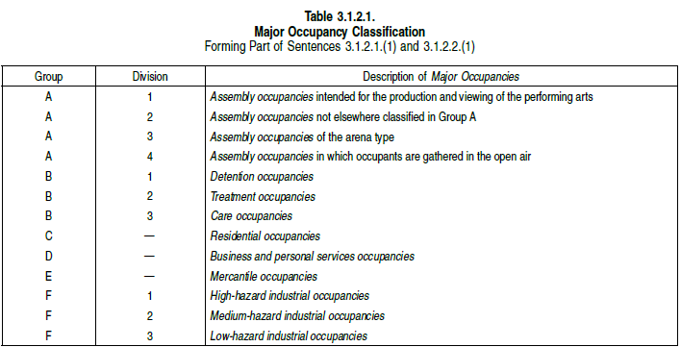
National Building Code of Canada 2015, Volume 1

3.1.2. Classification of Buildings or Parts of Buildings by Major Occupancy

Sheet1
